Sunburst
Greenhouse Gas Emissions by Sector (2010)

Segment | Entity | Sector | Value
Top 10 | China | Other sources | 1003460940.6
 |  | Industry | 1234587341.6
 |  | Transport | 520587143.2
 |  | Agriculture | 314506516.8
 |  | Energy | 7492561696
 | United States | Other sources | 751728845.7
 |  | Industry | 521322386
 |  | Transport | 1649161238.9
 |  | Agriculture | -5375951.8
 |  | Energy | 3365277970.4
 | India | Other sources | 395569951.2
GREENHOUSE GAS EMISSIONS
2010
 |  | Industry | 144860769.6
 |  | Transport | 151907268
 |  | Agriculture | 498548633.2
 |  | Energy | 1379788206.6
 | Brazil | Other sources | 120100621.3
 |  | Industry | 55955997.8
 |  | Transport | 169812263
 |  | Agriculture | 1837094595.3
 |  | Energy | 244042693.9
 | Indonesia | Other sources | 97132639
 |  | Industry | 30450168.5
 |  | Transport | 89688882.5
 |  | Agriculture | 1844165386.5
 |  | Energy | 365186999.6
 | Russia | Other sources | 273398315.9
 |  | Industry | 159203404.1
 |  | Transport | 238191044.2
 |  | Agriculture | -29012201.4
 |  | Energy | 1614173768.6
 | Japan | Other sources | 202225049
 |  | Industry | 142333808.1
 |  | Transport | 218503577
 |  | Agriculture | -119179413.5
 |  | Energy | 770839524.3
 | Canada | Other sources | 127903048.2
 |  | Industry | 58612685.7
 |  | Transport | 174913457.8
 |  | Agriculture | 338021330.6
 |  | Energy | 309588708.4
 | Germany | Other sources | 171759789.9
 |  | Industry | 70886409.5
 |  | Transport | 157475649.6
 |  | Agriculture | 45694426.2
 |  | Energy | 518748450.9
 | Australia | Other sources | 112175389.4
 |  | Agriculture | 325453682.3
 |  | Energy | 357121063.9
Other | Mexico |  | 663400243.4
 | United Kingdom |  | 600526853.5
 | South Korea |  | 594123911.2
 | Nigeria |  | 539913611.1
 | Argentina |  | 531355424.5
 | Iran |  | 517781778.3
 | Saudi Arabia |  | 495772489.1
 | France |  | 492193923.2
 | Colombia |  | 491565963.8
 | Tanzania |  | 469257930.3
 | Italy |  | 457621620.8
 | South Africa |  | 415077947.7
 | Zambia |  | 412285438.7
 | Pakistan |  | 399318799.7
 | Ukraine |  | 381914566.6
 | Thailand |  | 374167836.4
 | Democratic Republic of Congo |  | 359674148
 | Turkey |  | 355126251.6
 | Spain |  | 320674549.9
 | Poland |  | 316008918.9
 | Kazakhstan |  | 310686765.3
 | Bolivia |  | 305668032.7
 | Paraguay |  | 298785270.3
 | Venezuela |  | 277322513.2
 | Egypt |  | 273413947.2
 | Vietnam |  | 266111807.8
 | Myanmar |  | 258049093.2
 | Cameroon |  | 244700246.7
 | Malaysia |  | 231695063.3
 | Peru |  | 224401740
 | Netherlands |  | 215449280.8
 | Philippines |  | 207982561.8
 | United Arab Emirates |  | 206118593.9
 | Angola |  | 202378956.5
 | Iraq |  | 187666202.4
 | Bangladesh |  | 181524130.9
 | Uzbekistan |  | 166824221.4
 | Algeria |  | 164108371.1
 | Ethiopia |  | 158881210
 | Czech Republic |  | 137117590.1
 | Belgium |  | 136297221.3
 | Ecuador |  | 119807582.6
 | North Korea |  | 119684648.9
 | Romania |  | 114303530.5
 | Sweden |  | 113714907.9
 | Qatar |  | 112475865.2
 | Greece |  | 107780598.5
 | Chile |  | 104973504.1
 | Austria |  | 104555356.7
 | Madagascar |  | 103612890.9
 | Zimbabwe |  | 101828622.4
 | Kuwait |  | 100686314.4
 | Mozambique |  | 98404189.3
 | Cuba |  | 92791463.4
 | Finland |  | 85862314.8
 | Turkmenistan |  | 85240664.2
 | Melanesia |  | 85065114.2
 | Belarus |  | 83153682.1
 | Morocco |  | 80793818.1
 | Nicaragua |  | 79778587.3
 | Libya |  | 79740675.4
 | Uganda |  | 78314994.8
 | Portugal |  | 78191922.6
 | Israel |  | 77915243.4
 | Chad |  | 76724895.5
 | Papua New Guinea |  | 74627785.8
 | Honduras |  | 71594447.2
 | Cambodia |  | 71220024.9
 | Hungary |  | 70434294.5
 | Denmark |  | 64845290.2
 | New Zealand |  | 63289226
 | Syria |  | 62768336.4
 | Botswana |  | 61807345
 | Ireland |  | 60528450.1
 | Bulgaria |  | 59909622.5
 | Oman |  | 59559949.6
 | Trinidad and Tobago |  | 58138515.4
 | Somalia |  | 56546652.3
 | Guatemala |  | 56088511.6
 | Switzerland |  | 54431128.3
 | Mongolia |  | 53656238.5
 | Central African Republic |  | 52407804.6
 | Singapore |  | 50410386.9
 | Burkina Faso |  | 49524795.6
 | Mali |  | 49024531.2
 | Norway |  | 45670571.7
 | Guinea |  | 44211837.8
 | Slovakia |  | 42978961.6
 | Azerbaijan |  | 40850330.1
 | Yemen |  | 37645122.5
 | Tunisia |  | 37186392.1
 | Senegal |  | 36743878.9
 | Nepal |  | 36700626.7
 | Laos |  | 34945077.7
 | Panama |  | 34440609.3
 | Kenya |  | 34232456.7
 | Benin |  | 33126741.9
 | Liberia |  | 32481606.9
 | Cote d'Ivoire |  | 31926296.1
 | Kyrgyzstan |  | 31448012.5
 | Bosnia and Herzegovina |  | 31147870.2
 | Bahrain |  | 30788899.5
 | Sri Lanka |  | 30665239.2
 | Congo |  | 30135456.8
 | Niger |  | 29204420.6
 | Namibia |  | 28922869.6
 | Lithuania |  | 26565586.6
 | Estonia |  | 26132384.9
 | Dominican Republic |  | 25105109.7
 | Jordan |  | 24944109.7
 | Malawi |  | 22965286.9
 | Croatia |  | 21924603.1
 | Togo |  | 21284409.3
 | Afghanistan |  | 20483285
 | Ghana |  | 19947531.1
 | Lebanon |  | 18499752.4
 | Guyana |  | 17895876.2
 | Brunei |  | 17855055.5
 | Sierra Leone |  | 17076470.2
 | Equatorial Guinea |  | 16653812.2
 | Tajikistan |  | 14405323.1
 | Slovenia |  | 13962966.1
 | Mauritania |  | 12998714.9
 | El Salvador |  | 12978168.6
 | Luxembourg |  | 12275336.8
 | Jamaica |  | 12245713.7
 | Uruguay |  | 12138806.8
 | Macedonia |  | 12063715.3
 | Armenia |  | 10927040.9
 | Moldova |  | 10622910.2
 | French Guiana |  | 10224904.1
 | Bahamas |  | 9586554
 | Gabon |  | 9272467.2
 | Haiti |  | 8912092.9
 | Belize |  | 8725831.4
 | Albania |  | 8659205.8
 | Cyprus |  | 8604485.8
 | Suriname |  | 8144112
 | Eritrea |  | 7910881.9
 | Georgia |  | 7742620.2
 | Latvia |  | 6665459.5
 | Rwanda |  | 5568987
 | Guinea-Bissau |  | 5388464.4
 | Iceland |  | 5168088.4
 | Burundi |  | 5139572.8
 | Fiji |  | 4525227.8
 | Solomon Islands |  | 3954298
 | Costa Rica |  | 3793355.8
 | Mauritius |  | 3325081.3
 | Swaziland |  | 2847967.3
 | Djibouti |  | 2777392.6
 | Guadeloupe |  | 2741499
 | Martinique |  | 2495089.9
 | Reunion |  | 2351265.8
 | Lesotho |  | 2287424.3
 | Malta |  | 2084009.2
 | Gambia |  | 1691281.5
 | Barbados |  | 1500959.9
 | New Caledonia |  | 1463466
 | Puerto Rico |  | 1371820.1
 | Seychelles |  | 883594.3
 | Comoros |  | 835136.1
 | Dominica |  | 830104
 | Saint Lucia |  | 813124.3
 | Maldives |  | 744529.5
 | Sao Tome and Principe |  | 722806.8
 | Montserrat |  | 618047.6
 | Antigua and Barbuda |  | 596385.3
 | Bermuda |  | 586721
 | Cayman Islands |  | 556814.5
 | Western Sahara |  | 528971.5
 | Grenada |  | 526448.3
 | Vanuatu |  | 502376.5
 | Saint Vincent and the Grenadines |  | 484935.3
 | Gibraltar |  | 463124.5
 | Aruba |  | 422682.3
 | Micronesia (country) |  | 383756.9
 | Turks and Caicos Islands |  | 352244.3
 | Saint Kitts and Nevis |  | 287384.5
 | Greenland |  | 259419.6
 | Palestine |  | 234726.4
 | Falkland Islands |  | 188648.3
 | British Virgin Islands |  | 159008
 | Northern Mariana Islands |  | 135489.7
 | Mayotte |  | 109836.8
 | Guam |  | 85744.9
 | Niue |  | 68223.4
 | American Samoa |  | 60160.3
 | Kiribati |  | 58769.5
 | Anguilla |  | 57654.6
 | Faeroe Islands |  | 53462.9
 | Wallis and Futuna |  | 21642
 | Liechtenstein |  | 20499.6
 | Saint Pierre and Miquelon |  | 16307.6
 | Marshall Islands |  | 9810.4
 | Nauru |  | 7189.8
 | Tuvalu |  | 7134.2
 | Palau |  | 3371.5
 | Tokelau |  | 2571.6
 | Monaco |  | 2010
 | San Marino |  | 2010
 | Vatican |  | 2010
 | Norfolk Island |  | 1257.5
 | Channel Islands |  | 860.6

https://ourworldindata.org/co2-and-other-greenhouse-gas-emissions

Population Charts
United Kingdom's Aging Population
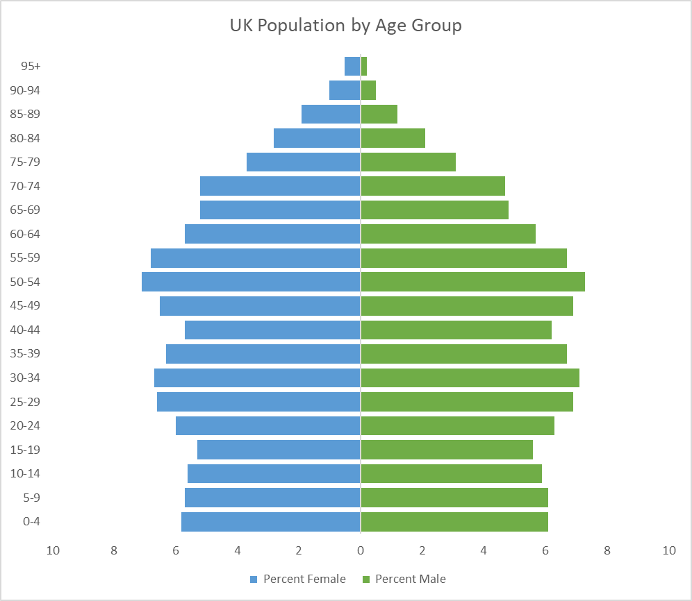
Year | Age | Both Sexes Population | Male Population | Female Population | Percent Male | Percent Female | 2019 |  | Age | Percent Male | Percent Female
1996 | 0-4 | 3761397 | 1928328 | 1833069 | 6.8 | 6.2 |  | 0 | 0-4 | 6.1 | 5.8
1996 | 5-9 | 3889230 | 1999113 | 1890117 | 7 | 6.3 | Years | 1 | 5-9 | 6.1 | 5.7
1996 | 10-14 | 3660143 | 1883803 | 1776340 | 6.6 | 6 | 1996 | 2 | 10-14 | 5.9 | 5.6
1996 | 15-19 | 3534918 | 1816093 | 1718825 | 6.4 | 5.8 | 1997 | 3 | 15-19 | 5.6 | 5.3
1996 | 20-24 | 3778293 | 1935433 | 1842860 | 6.8 | 6.2 | 1998 | 4 | 20-24 | 6.3 | 6
1996 | 25-29 | 4504391 | 2289424 | 2214967 | 8 | 7.4 | 1999 | 5 | 25-29 | 6.9 | 6.6
1996 | 30-34 | 4669356 | 2323439 | 2345917 | 8.1 | 7.9 | 2000 | 6 | 30-34 | 7.1 | 6.7
1996 | 35-39 | 4247338 | 2143884 | 2103454 | 7.5 | 7.1 | 2001 | 7 | 35-39 | 6.7 | 6.3
1996 | 40-44 | 3778381 | 1893155 | 1885226 | 6.6 | 6.3 | 2002 | 8 | 40-44 | 6.2 | 5.7
1996 | 45-49 | 4096980 | 2044585 | 2052395 | 7.2 | 6.9 | 2003 | 9 | 45-49 | 6.9 | 6.5
1996 | 50-54 | 3457589 | 1719520 | 1738069 | 6 | 5.8 | 2004 | 10 | 50-54 | 7.3 | 7.1
1996 | 55-59 | 2983580 | 1475436 | 1508144 | 5.2 | 5.1 | 2005 | 11 | 55-59 | 6.7 | 6.8
1996 | 60-64 | 2763364 | 1347442 | 1415922 | 4.7 | 4.8 | 2006 | 12 | 60-64 | 5.7 | 5.7
1996 | 65-69 | 2640472 | 1238429 | 1402043 | 4.3 | 4.7 | 2007 | 13 | 65-69 | 4.8 | 5.2
1996 | 70-74 | 2414351 | 1068993 | 1345358 | 3.7 | 4.5 | 2008 | 14 | 70-74 | 4.7 | 5.2
1996 | 75-79 | 1817630 | 728848 | 1088782 | 2.6 | 3.7 | 2009 | 15 | 75-79 | 3.1 | 3.7
1996 | 80-84 | 1291087 | 450624 | 840463 | 1.6 | 2.8 | 2010 | 16 | 80-84 | 2.1 | 2.8
1996 | 85-89 | 716660 | 202144 | 514516 | 0.7 | 1.7 | 2011 | 17 | 85-89 | 1.2 | 1.9
1996 | 90-94 | 274934 | 57610 | 217324 | 0.2 | 0.7 | 2012 | 18 | 90-94 | 0.5 | 1
1996 | 95+ | 64473 | 8757 | 48613 | 0 | 0.2 | 2013 | 19 | 95+ | 0.2 | 0.5
1997 | 0-4 | 3707685 | 1900889 | 1806796 | 6.6 | 6.1 | 2014
1997 | 5-9 | 3905626 | 2006067 | 1899559 | 7 | 6.4 | 2015
1997 | 10-14 | 3701646 | 1904612 | 1797034 | 6.6 | 6 | 2016
1997 | 15-19 | 3609254 | 1852721 | 1756533 | 6.5 | 5.9 | 2017
1997 | 20-24 | 3647439 | 1870245 | 1777194 | 6.5 | 6 | 2018
1997 | 25-29 | 4394021 | 2233655 | 2160366 | 7.8 | 7.2 | 2019
1997 | 30-34 | 4689081 | 2344857 | 2344224 | 8.2 | 7.9
Animate
1997 | 35-39 | 4339616 | 2178759 | 2160857 | 7.6 | 7.2
1997 | 40-44 | 3838436 | 1925508 | 1912928 | 6.7 | 6.4
Reset
1997 | 45-49 | 3927001 | 1959212 | 1967789 | 6.8 | 6.6
1997 | 50-54 | 3730533 | 1856247 | 1874286 | 6.5 | 6.3
1997 | 55-59 | 2989342 | 1476946 | 1512396 | 5.2 | 5.1
1997 | 60-64 | 2773887 | 1354307 | 1419580 | 4.7 | 4.8
1997 | 65-69 | 2623977 | 1234376 | 1389601 | 4.3 | 4.7
1997 | 70-74 | 2372448 | 1057684 | 1314764 | 3.7 | 4.4
1997 | 75-79 | 1901394 | 768179 | 1133215 | 2.7 | 3.8
1997 | 80-84 | 1262153 | 443360 | 818793 | 1.5 | 2.7
1997 | 85-89 | 727517 | 208805 | 518712 | 0.7 | 1.7
1997 | 90-94 | 283152 | 60619 | 222533 | 0.2 | 0.7
1997 | 95+ | 69865 | 9805 | 52585 | 0 | 0.2
1998 | 0-4 | 3662535 | 1876592 | 1785943 | 6.5 | 6
1998 | 5-9 | 3897342 | 1999416 | 1897926 | 7 | 6.3
1998 | 10-14 | 3766860 | 1937017 | 1829843 | 6.7 | 6.1
1998 | 15-19 | 3671221 | 1884544 | 1786677 | 6.6 | 6
1998 | 20-24 | 3562356 | 1825760 | 1736596 | 6.3 | 5.8
1998 | 25-29 | 4279420 | 2179971 | 2099449 | 7.6 | 7
1998 | 30-34 | 4676052 | 2349692 | 2326360 | 8.2 | 7.8
1998 | 35-39 | 4433786 | 2216791 | 2216995 | 7.7 | 7.4
1998 | 40-44 | 3924014 | 1972385 | 1951629 | 6.9 | 6.5
1998 | 45-49 | 3806664 | 1899674 | 1906990 | 6.6 | 6.4
1998 | 50-54 | 3900069 | 1939946 | 1960123 | 6.7 | 6.6
1998 | 55-59 | 3047027 | 1505080 | 1541947 | 5.2 | 5.2
1998 | 60-64 | 2804618 | 1370518 | 1434100 | 4.8 | 4.8
1998 | 65-69 | 2607021 | 1230501 | 1376520 | 4.3 | 4.6
1998 | 70-74 | 2345970 | 1052137 | 1293833 | 3.7 | 4.3
1998 | 75-79 | 1985949 | 806858 | 1179091 | 2.8 | 3.9
1998 | 80-84 | 1204193 | 425292 | 778901 | 1.5 | 2.6
1998 | 85-89 | 738338 | 215492 | 522846 | 0.7 | 1.7
1998 | 90-94 | 291809 | 64090 | 227719 | 0.2 | 0.8
1998 | 95+ | 75124 | 10876 | 56311 | 0 | 0.2
1999 | 0-4 | 3618379 | 1852068 | 1766311 | 6.4 | 5.9
1999 | 5-9 | 3879624 | 1989051 | 1890573 | 6.9 | 6.3
1999 | 10-14 | 3821205 | 1963098 | 1858107 | 6.8 | 6.2
1999 | 15-19 | 3702643 | 1901579 | 1801064 | 6.6 | 6
1999 | 20-24 | 3557324 | 1823647 | 1733677 | 6.3 | 5.8
1999 | 25-29 | 4153705 | 2121607 | 2032098 | 7.3 | 6.8
1999 | 30-34 | 4650520 | 2348731 | 2301789 | 8.1 | 7.7
1999 | 35-39 | 4543810 | 2265918 | 2277892 | 7.8 | 7.6
1999 | 40-44 | 4023775 | 2027074 | 1996701 | 7 | 6.7
1999 | 45-49 | 3758081 | 1875957 | 1882124 | 6.5 | 6.3
1999 | 50-54 | 3982338 | 1980435 | 2001903 | 6.9 | 6.7
1999 | 55-59 | 3126230 | 1544714 | 1581516 | 5.3 | 5.3
1999 | 60-64 | 2842823 | 1389111 | 1453712 | 4.8 | 4.8
1999 | 65-69 | 2580646 | 1223147 | 1357499 | 4.2 | 4.5
1999 | 70-74 | 2331357 | 1050436 | 1280921 | 3.6 | 4.3
1999 | 75-79 | 2033492 | 832206 | 1201286 | 2.9 | 4
1999 | 80-84 | 1175389 | 418940 | 756449 | 1.4 | 2.5
1999 | 85-89 | 747627 | 221799 | 525828 | 0.8 | 1.8
1999 | 90-94 | 300560 | 67792 | 232768 | 0.2 | 0.8
1999 | 95+ | 80154 | 11937 | 59692 | 0 | 0.2
2000 | 0-4 | 3569216 | 1826732 | 1742484 | 6.3 | 5.8
2000 | 5-9 | 3834272 | 1964667 | 1869605 | 6.8 | 6.2
2000 | 10-14 | 3868233 | 1987070 | 1881163 | 6.8 | 6.3
2000 | 15-19 | 3720178 | 1910130 | 1810048 | 6.6 | 6
2000 | 20-24 | 3604927 | 1845703 | 1759224 | 6.4 | 5.8
2000 | 25-29 | 4030023 | 2062286 | 1967737 | 7.1 | 6.5
2000 | 30-34 | 4599782 | 2336137 | 2263645 | 8 | 7.5
2000 | 35-39 | 4647136 | 2314866 | 2332270 | 8 | 7.8
2000 | 40-44 | 4144175 | 2092800 | 2051375 | 7.2 | 6.8
2000 | 45-49 | 3735714 | 1867371 | 1868343 | 6.4 | 6.2
2000 | 50-54 | 4026166 | 2001880 | 2024286 | 6.9 | 6.7
2000 | 55-59 | 3224419 | 1593163 | 1631256 | 5.5 | 5.4
2000 | 60-64 | 2862667 | 1398879 | 1463788 | 4.8 | 4.9
2000 | 65-69 | 2565296 | 1221597 | 1343699 | 4.2 | 4.5
2000 | 70-74 | 2328886 | 1053085 | 1275801 | 3.6 | 4.2
2000 | 75-79 | 1997330 | 825538 | 1171792 | 2.8 | 3.9
2000 | 80-84 | 1231401 | 446191 | 785210 | 1.5 | 2.6
2000 | 85-89 | 756819 | 227878 | 528941 | 0.8 | 1.8
2000 | 90-94 | 308073 | 71376 | 236697 | 0.2 | 0.8
2000 | 95+ | 85256 | 12981 | 62915 | 0 | 0.2
...

Gauge Charts
...
Year
2100

Reset

Animate
...

